Gestational Age Calculator
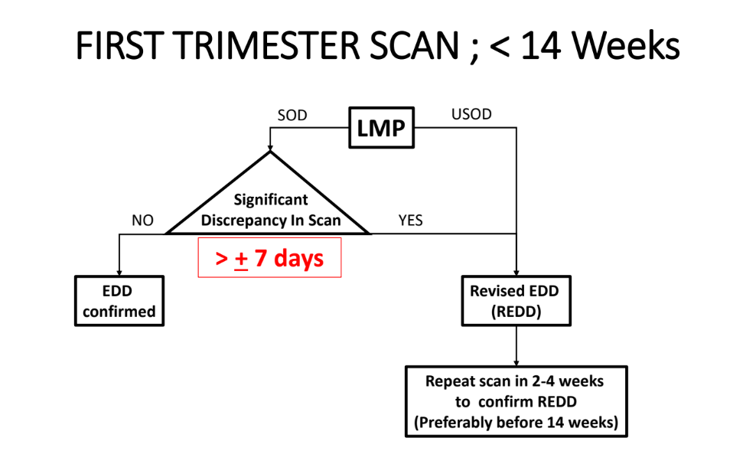
LMP DATE
EDD FROM LMP | ENTER LMP
POG TODAY BY LMP | ENTER LMP DATE
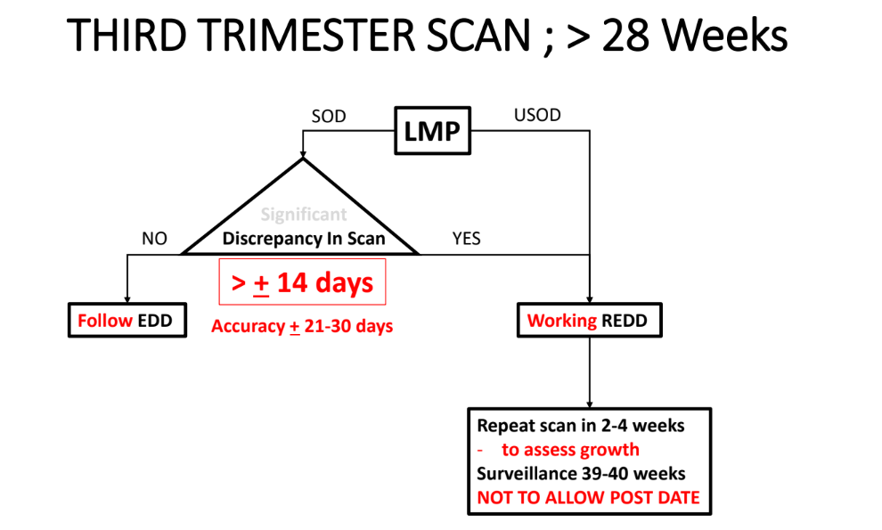
LMP BY REDD | ENTER REDD FROM USG
REDD FROM USG
POG TODAY BY REDD | ENTER REDD FROM USG
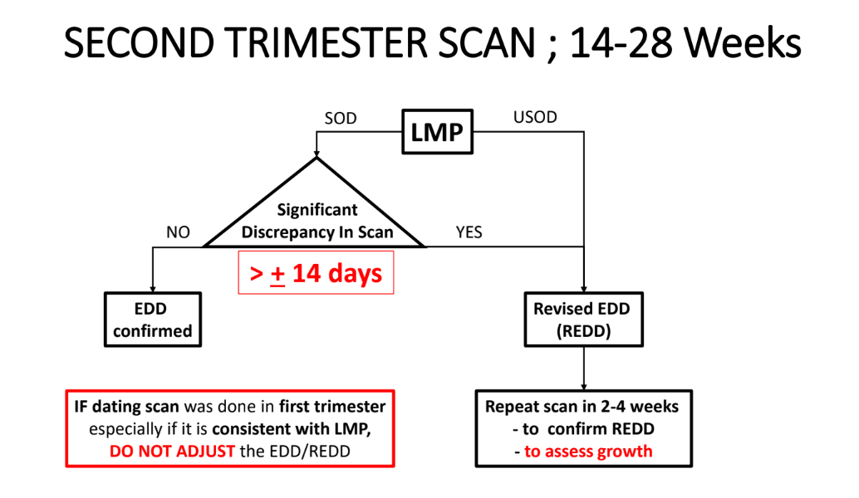
DESCREPANCY OF DATES |  | ENTER LMP DATE & REDD FROM USG

POG AT DATE OF
POG BY LMP | ENTER POG AT DATE OF
POG BY REDD | ENTER POG AT DATE OF

DATE AT POG OF |  | weeks | days
BY LMP | ENTER LMP
BY REDD | ENTER REDD FROM USG

BACK TO SUMMARY SHEET

Reference
O&G HTAA. (2020). DATING SCAN BASIC AND ADVANCED ULTRASOUND IN O&G.

